ELLESSE
IMAGE | STYLE CODE | STYLE NAME | Category | €RRP | RRP | WHS | COMPOSITION | Colour | S | M | L | XL | XXL | Total
 | SOP24044 | KANYA | SWEATSHIRT | € 65.00 | £55.00 | £22.00 | 280gsm 70% Cotton / 30% BB Fleece - 3 Colour Print Branding | Packed Solid Size Solid Colour | 1 | 2 | 4 | 2 | 1
 |  | NW: 0.49 | GW: 0.54 |  |  |  | S/M/L - 24 pcs per ctn | Lt Grey Marl | 289 | 591 | 1168 | 600 | 291 | 2939
 |  |  |  |  |  |  | XL/2XL - 20 pcs per ctn | Navy | 716 | 1431 | 2862 | 1432 | 715 | 7156
 |  |  |  |  |  |  |  | Khaki | 294 | 659 | 1270 | 636 | 318 | 3177
 |  |  |  |  |  |  |  | Black | 211 | 494 | 938 | 470 | 235 | 2348
 |  |  |  |  |  |  |  | Dk Grey | 362 | 720 | 1438 | 742 | 364 | 3626

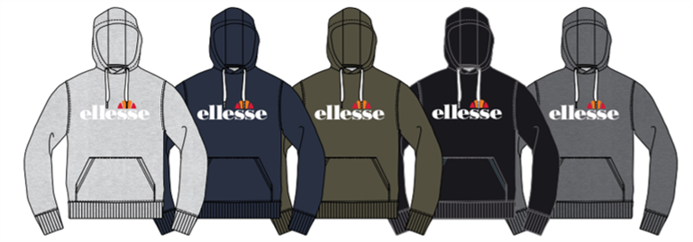 | SOP23865 | MONESIGLIO | OH HOODY | € 70.00 | £60.00 | £24.00 | 280gsm 70% Cotton / 30% BB Fleece - 3 Colour Print Branding | Packed Solid Size Solid Colour | 1 | 2 | 4 | 2 | 1
 |  | NW: 0.58 | GW: 0.64 |  |  |  | S/M/L - 22 pcs per ctn | Lt Grey Marl | 721 | 1416 | 2812 | 1376 | 633 | 6958
 |  |  |  |  |  |  | XL/2XL - 18 pcs per ctn | Navy | 1133 | 2294 | 4652 | 2302 | 1121 | 11502
 |  |  |  |  |  |  |  | Khaki | 795 | 1598 | 3130 | 1558 | 770 | 7851
 |  |  |  |  |  |  |  | Black | 596 | 1181 | 2422 | 1138 | 546 | 5883
 |  |  |  |  |  |  |  | Dk Grey | 772 | 1554 | 3130 | 1557 | 783 | 7796

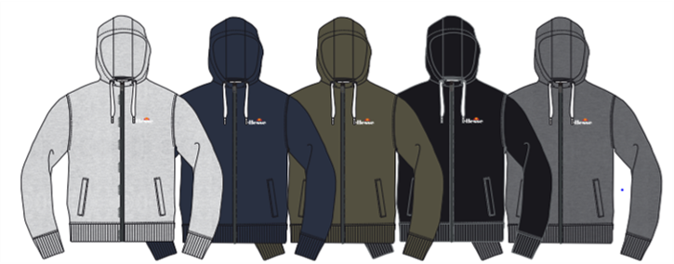 | SOP23857 | KLEMERIO | FZ HOODY | € 70.00 | £60.00 | £24.00 | 280gsm 70% Cotton / 30% BB Fleece - 3 Colour Print Branding | Packed Solid Size Solid Colour | 1 | 2 | 4 | 2 | 1
 |  | NW: 0.67 | GW: 0.73 |  |  |  | S/M/L - 20 pcs per ctn | Lt Grey Marl | 350 | 700 | 1398 | 704 | 351 | 3503
 |  |  |  |  |  |  | XL/2XL - 18 pcs per ctn | Navy | 687 | 1374 | 2746 | 1378 | 688 | 6873
 |  |  |  |  |  |  |  | Khaki | 319 | 638 | 1274 | 642 | 321 | 3194
 |  |  |  |  |  |  |  | Black | 166 | 322 | 662 | 324 | 168 | 1642
 |  |  |  |  |  |  |  | Dk Grey | 218 | 436 | 870 | 440 | 220 | 2184

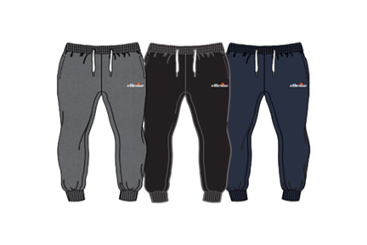 | SOP23858 | KARNEID | JOG PANT | € 60.00 | £50.00 | £20.00 | 280gsm 70% Cotton / 30% BB Fleece - 3 Colour Print Branding | Packed Solid Size Solid Colour | 1 | 2 | 4 | 2 | 1
 |  | NW: 0.46 | GW: 0.49 |  |  |  | 20 pcs per ctn | Navy | 100 | 158 | 478 | 199 | 59 | 994
 |  |  |  |  |  |  |  | Dk Grey | 140 | 279 | 620 | 280 | 120 | 1439

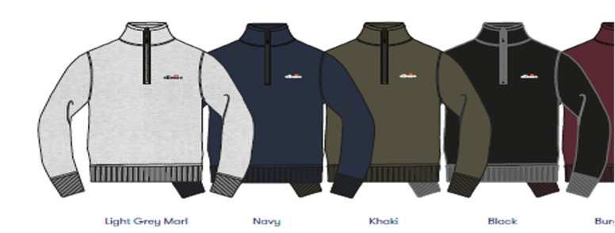 | SOP23856 | BENEVENTO | 1/4 Zip Sweatshirt | € 70.00 | £60.00 | £24.00 | 280gsm 70% Cotton / 30% BB Fleece - 3 Colour Print Branding | Packed Solid Size Solid Colour | 1 | 2 | 4 | 2 | 1
 |  | NW: 0.52 | GW: 0.75 |  |  |  | S/M/L - 20 pcs per ctn | Lt Grey Marl | 253 | 506 | 1012 | 510 | 255 | 2536
 |  |  |  |  |  |  | XL/2XL - 18 pcs per ctn | Navy | 559 | 1098 | 2256 | 1082 | 501 | 5496
 |  |  |  |  |  |  |  | Khaki | 223 | 446 | 892 | 450 | 225 | 2236
 |  |  |  |  |  |  |  | Black | 184 | 428 | 831 | 412 | 202 | 2057

 |  |  |  |  |  |  |  |  |  |  |  |  | TOTAL | 91390

